Summary
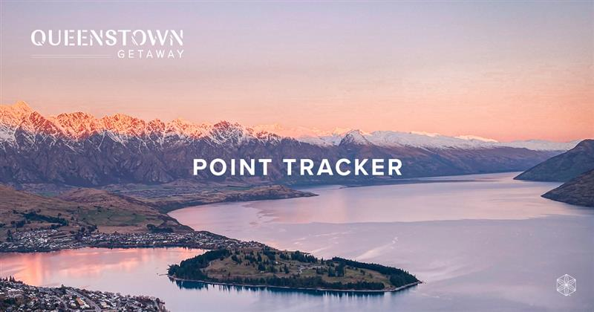

Important Dates

Registration Period |  | Monday 11 July (02:01 NZST) - Monday 1 August (01:59 NZST) 2022

Contest Period |  | Monday 25 July (16:01 NZST) - Monday 19 September (15:59 NZST) 2022

Trip Dates |  | Monday 14 November - Wednesday 16 November 2022

Enrolment Points | 0 |  | How To Use This Tracker

Rank Advancement Points | 0
 |  |  | 1. Utilise each tab by entering your enrolments, rank advancements, IsaBody registrations and retention orders.
IsaBody Points | 0

Retention Points | 0 |  | 2. Points will automatically calculate based on the details you enter on each tab.

 |  |  | 3. The summary page will provide your current point total and highlight your eligiblity for the contest.
Enrolment Point Percentage | #DIV/0!

 |  |  | *Note: Eligibility does not guarantee qualification. Getaway is based on an overall leaderboard with all members competing. You must meet all contest requirements and be in the top 8 to win the trip.

Total Points | 0

